Radar


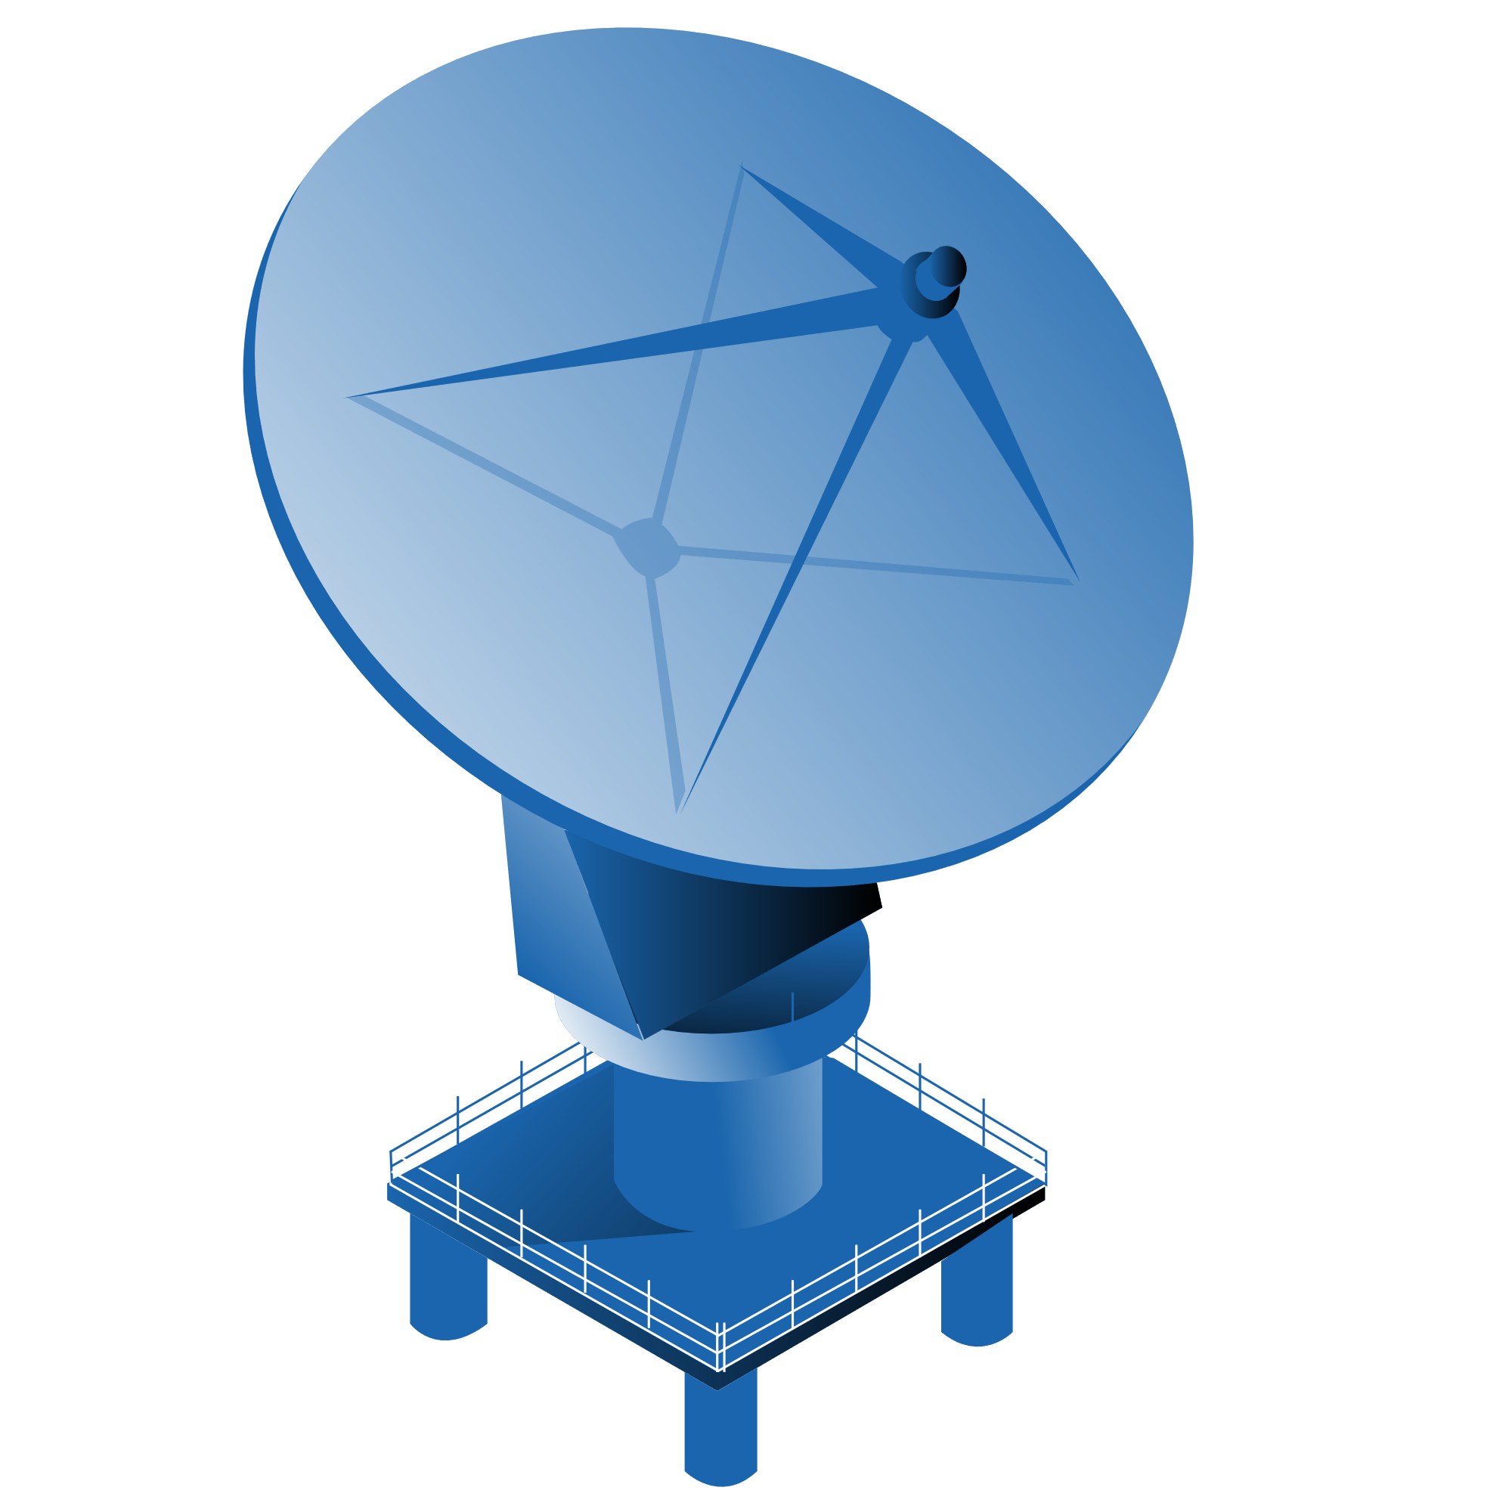
Dividend Radar
Champions, Contenders, and Challengers

Dividend Radar
Champions, Challengers, and Contenders

 | Take a deep dive on Dividend Radar companies with daily fair value calculations, dividend quality grades, analyst quick notes, and powerful fundamentals charts.

 | Get your free Portfolio Insight trial

 | Featuring Dividend Quality Grades
2024-11-29
© Portfolio Insight, LLC.
The Dividend Radar: Champions, Challengers, and Contenders by Portfolio Insight, LLC. is licensed under the Creative Commons Attribution 4.0 International License.
To view a copy of this license, visit http://creativecommons.org/licenses/by/4.0/

Portfolio Insight LLC and this document's authors are not registered investment advisers. Under no circumstances does any information contained in this document constitute a recommendation to buy or sell a security, nor does it give investment advice. The information contained in this document is in no way guaranteed for completeness or accuracy.

